Sheet1
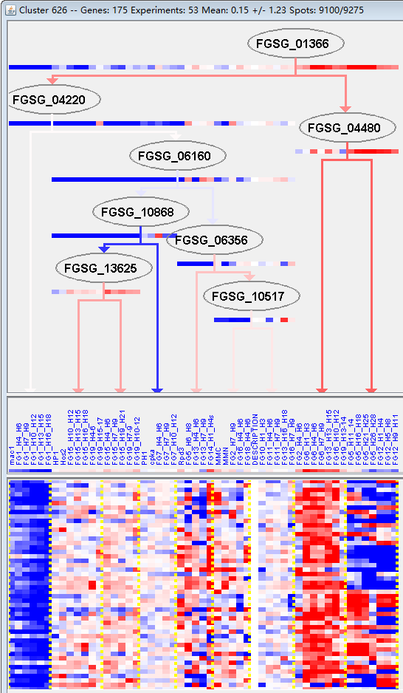
k | Filter | FUNCTIONAL CATEGORY | abs SET | rel SET | genes SET | abs GENOME | rel GENOME | rel SET/rel GENOME | P-VALUE | Bonferroni_corr | FDR
32.05.05 virulence, disease factors | 11 | 7.97 | FGSG_01171 FGSG_01989 FGSG_02118 FGSG_03964 FGSG_03610 FGSG_05318 FGSG_07758 FGSG_08209 FGSG_08208 FGSG_10629 FGSG_11161 | 222 | 1.6 | 4.98125 | 1.38E-05
01.20 secondary metabolism | 17 | 12.3 | FGSG_02111 FGSG_02118 FGSG_02203 FGSG_02304 FGSG_04510 FGSG_04216 FGSG_03964 FGSG_03775 FGSG_07628 FGSG_08209 FGSG_08208 FGSG_10611 FGSG_10612 FGSG_10613 FGSG_10629 FGSG_11420 FGSG_11270 | 627 | 4.53 | 2.715231788 | 0.000167973
01.20.05 metabolism of acetic acid derivatives | 5 | 3.62 | FGSG_02111 FGSG_02203 FGSG_04216 FGSG_03964 FGSG_08208 | 56 | 0.4 | 9.05 | 0.000233834
32.05.05.01 toxins | 5 | 3.62 | FGSG_03964 FGSG_05318 FGSG_08209 FGSG_08208 FGSG_10629 | 62 | 0.44 | 8.227272727 | 0.000377624
32.07 detoxification | 13 | 9.42 | FGSG_02111 FGSG_02119 FGSG_02207 FGSG_02298 FGSG_05318 FGSG_07628 FGSG_08570 FGSG_08207 FGSG_10395 FGSG_10604 FGSG_10612 FGSG_10629 FGSG_11270 | 520 | 3.76 | 2.505319149 | 0.00210023
01.20.05.11 metabolism of polyketides | 3 | 2.17 | FGSG_04216 FGSG_03964 FGSG_08208 | 26 | 0.18 | 12.05555556 | 0.002138156
16.25 oxygen binding | 2 | 1.44 | FGSG_02111 FGSG_08207 | 8 | 0.05 | 28.8 | 0.002662457
01.25.09 extracellular lignin degradation | 2 | 1.44 | FGSG_10395 FGSG_10604 | 13 | 0.09 | 16 | 0.007178263
32 CELL RESCUE, DEFENSE AND VIRULENCE | 24 | 17.3 | FGSG_01171 FGSG_01989 FGSG_02111 FGSG_02118 FGSG_02119 FGSG_02207 FGSG_02298 FGSG_03964 FGSG_03610 FGSG_02977 FGSG_05318 FGSG_07628 FGSG_07758 FGSG_08570 FGSG_08209 FGSG_08208 FGSG_08207 FGSG_10395 FGSG_10604 FGSG_10612 FGSG_10629 FGSG_11161 FGSG_11105 FGSG_11270 | 1452 | 10.5 | 1.647619048 | 0.009025281
32.05 disease, virulence and defense | 11 | 7.97 | FGSG_01171 FGSG_01989 FGSG_02118 FGSG_03964 FGSG_03610 FGSG_05318 FGSG_07758 FGSG_08209 FGSG_08208 FGSG_10629 FGSG_11161 | 507 | 3.66 | 2.177595628 | 0.012669379
16.21.01 heme binding | 4 | 2.89 | FGSG_02111 FGSG_02118 FGSG_08207 FGSG_10629 | 91 | 0.65 | 4.446153846 | 0.01300902
20.03 transport facilities | 15 | 10.8 | FGSG_00078 FGSG_01989 FGSG_02119 FGSG_02186 FGSG_02207 FGSG_02208 FGSG_04672 FGSG_04658 FGSG_04525 FGSG_04215 FGSG_03063 FGSG_05318 FGSG_08570 FGSG_10613 FGSG_13993 | 808 | 5.84 | 1.849315068 | 0.014884413
01.05.11.07.01 aerobic aromate catabolism | 3 | 2.17 | FGSG_10395 FGSG_10604 FGSG_11270 | 60 | 0.43 | 5.046511628 | 0.022016198
01.05.11.07 aromate catabolism | 3 | 2.17 | FGSG_10395 FGSG_10604 FGSG_11270 | 62 | 0.44 | 4.931818182 | 0.023986566
32.07.01 detoxification involving cytochrome P450 | 4 | 2.89 | FGSG_02111 FGSG_02298 FGSG_08207 FGSG_10629 | 111 | 0.8 | 3.6125 | 0.025059557
01.07.01 biosynthesis of vitamins, cofactors, and prosthetic groups | 5 | 3.62 | FGSG_00078 FGSG_02168 FGSG_04672 FGSG_09451 FGSG_10613 | 179 | 1.29 | 2.80620155 | 0.033647598
20.03.22 transport ATPases | 4 | 2.89 | FGSG_02119 FGSG_02186 FGSG_04525 FGSG_08570 | 123 | 0.88 | 3.284090909 | 0.034709583
01.25 extracellular metabolism | 3 | 2.17 | FGSG_02977 FGSG_10395 FGSG_10604 | 74 | 0.53 | 4.094339623 | 0.037741602
01.20.35.01.01 metabolism of melanins | 2 | 1.44 | FGSG_04510 FGSG_11420 | 32 | 0.23 | 6.260869565 | 0.040361129
01.01.09.05.02 degradation of tyrosine | 2 | 1.44 | FGSG_04510 FGSG_11420 | 33 | 0.23 | 6.260869565 | 0.042689955

32.05.05毒性、致病因素
01.20二次代谢

